Natioal
National score

Statistics
REGR factor score 1 for analysis 1
N | Valid | 19564
 | Missing | 0
Mean |  | 0.0132873
Std. Error of Mean |  | 0.00706751
Median |  | 0.1819202
Mode |  | 1.46324
Std. Deviation |  | 0.9885424
Skewness |  | -0.196
Std. Error of Skewness |  | 0.018
Kurtosis |  | -1.052
Std. Error of Kurtosis |  | 0.035
Minimum |  | -2.07701
Maximum |  | 2.09943
Percentiles | 20 | -1.0693636
 | 40 | -0.1869354
 | 60 | 0.4399552
 | 80 | 0.9225185

histogram
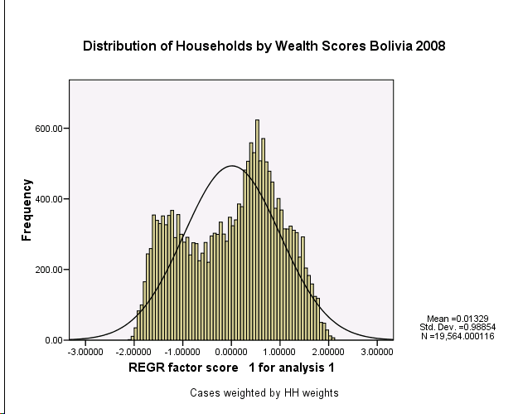

Report
Mean
 | Percentile Group of FAC1_1
 | 1 | 2 | 3 | 4 | 5 | Total
Has electricity | 0.2 | 0.8 | 0.98 | 0.99 | 1 | 0.8
Has radio | 0.76 | 0.83 | 0.83 | 0.88 | 0.96 | 0.85
Has television | 0.06 | 0.52 | 0.85 | 0.97 | 1.00 | 0.69
Has refrigerator | 0.00 | 0.06 | 0.20 | 0.49 | 0.91 | 0.34
Has bicycle | 0.35 | 0.42 | 0.34 | 0.31 | 0.41 | 0.37
Has motorcycle/scooter | 0.02 | 0.05 | 0.06 | 0.07 | 0.12 | 0.06
Has car/truck | 0.01 | 0.07 | 0.09 | 0.16 | 0.44 | 0.16
Has telephone | 0.00 | 0.01 | 0.04 | 0.18 | 0.73 | 0.19
Has a mobile telephone | 0.06 | 0.33 | 0.63 | 0.84 | 0.92 | 0.56
Interior walls smoothly finished (plaster) | 0.52 | 0.77 | 0.85 | 0.96 | 0.99 | 0.82
Household has computer | 0.00 | 0.01 | 0.03 | 0.10 | 0.60 | 0.15
Household has electric water pump | 0.00 | 0.01 | 0.01 | 0.02 | 0.14 | 0.04
Access to Internet at home | 0.00 | 0.00 | 0.00 | 0.00 | 0.16 | 0.03
Access to Internet in close proximity to home | 0.00 | 0.03 | 0.18 | 0.50 | 0.75 | 0.29
If HH has a domestic worker not related to head | 0.00 | 0.00 | 0.00 | 0.00 | 0.05 | 0.01
If household works own or family's agric. land | 0.37 | 0.19 | 0.03 | 0.01 | 0.00 | 0.12
Number of members per sleeping room | 3.24 | 2.79 | 2.81 | 2.44 | 1.54 | 2.56
Piped into dwelling | 0.01 | 0.02 | 0.08 | 0.29 | 0.83 | 0.25
Piped into yard/plot | 0.36 | 0.68 | 0.81 | 0.68 | 0.16 | 0.54
Public tap/standpipe | 0.14 | 0.08 | 0.04 | 0.00 | 0.00 | 0.05
Well/Borehole with pump | 0.03 | 0.04 | 0.01 | 0.00 | 0.00 | 0.02
Well without pump | 0.20 | 0.10 | 0.02 | 0.00 | 0.00 | 0.06
Surface water-river, lake, etc. | 0.23 | 0.03 | 0.00 | 0.00 | 0.00 | 0.05
Tanker truck | 0.00 | 0.02 | 0.03 | 0.02 | 0.01 | 0.02
Other water source | 0.02 | 0.02 | 0.01 | 0.00 | 0.00 | 0.01
Flush toilet to sewer | 0.00 | 0.03 | 0.35 | 0.63 | 0.81 | 0.37
Flush toilet to septic tank | 0.01 | 0.02 | 0.09 | 0.17 | 0.15 | 0.09
Flush toilet/latrine to surface or stream/river | 0.00 | 0.01 | 0.01 | 0.00 | 0.00 | 0.01
Pit latrine | 0.23 | 0.46 | 0.38 | 0.18 | 0.04 | 0.26
No facility/bush/field | 0.24 | 0.52 | 0.82 | 0.99 | 1.00 | 0.72
Shared toilet or latrine | 0.22 | 0.43 | 0.46 | 0.55 | 0.90 | 0.51
Earth, mud, dung floor | 0.91 | 0.45 | 0.09 | 0.01 | 0.00 | 0.28
Rudimentary wood plank floor | 0.02 | 0.05 | 0.03 | 0.02 | 0.01 | 0.03
Parquet, wood tile floor | 0.00 | 0.02 | 0.06 | 0.12 | 0.29 | 0.10
Carpet/rug floor | 0.00 | 0.00 | 0.00 | 0.00 | 0.01 | 0.00
Concrete, cement floor | 0.05 | 0.39 | 0.68 | 0.65 | 0.24 | 0.41
Terrazo, ceramic tile floor | 0.0000 | 0.0100 | 0.0300 | 0.1500 | 0.4300 | 0.1300
Brick floor | 0.0100 | 0.0800 | 0.1000 | 0.0500 | 0.0100 | 0.0500
Other type of flooring | 0.0000 | 0.0000 | 0.0100 | 0.0000 | 0.0000 | 0.0000
Brick, Cement walls | 0.0100 | 0.1300 | 0.4400 | 0.7300 | 0.9000 | 0.4500
Adobe, tapial walls | 0.8200 | 0.7500 | 0.5200 | 0.2700 | 0.1000 | 0.4900
Tabique, quinche walls | 0.0200 | 0.0100 | 0.0100 | 0.0000 | 0.0000 | 0.0100
Stone, rock walls | 0.0300 | 0.0000 | 0.0000 | 0.0000 | 0.0000 | 0.0100
Wood walls | 0.0800 | 0.0800 | 0.0300 | 0.0000 | 0.0000 | 0.0400
Cane/palm/trunk walls | 0.0200 | 0.0100 | 0.0000 | 0.0000 | 0.0000 | 0.0100
Other type of walls | 0.0100 | 0.0100 | 0.0000 | 0.0000 | 0.0000 | 0.0000
Corrugated roof | 0.3300 | 0.6400 | 0.6800 | 0.5600 | 0.4200 | 0.5300
Ceramic tile roof | 0.1300 | 0.2500 | 0.2800 | 0.3600 | 0.4300 | 0.2900
Cement shingle roof | 0.0000 | 0.0100 | 0.0300 | 0.0800 | 0.1400 | 0.0500
Straw/Palm/Cane/Mud roof | 0.5100 | 0.0900 | 0.0100 | 0.0000 | 0.0000 | 0.1200
Other type of roof | 0.0200 | 0.0100 | 0.0000 | 0.0000 | 0.0000 | 0.0100
Wood for cooking | 0.8800 | 0.5000 | 0.0500 | 0.0000 | 0.0000 | 0.2800
Dung for cooking | 0.1000 | 0.0500 | 0.0000 | 0.0000 | 0.0000 | 0.0300
Kerosene for cooking | 0.0000 | 0.0000 | 0.0000 | 0.0000 | 0.0000 | 0.0000
Natural or bottled gas for cooking | 0.0200 | 0.4200 | 0.9100 | 0.9600 | 0.9700 | 0.6700
Electricity for cooking | 0.0000 | 0.0000 | 0.0000 | 0.0000 | 0.0200 | 0.0000
Does not cook | 0.0000 | 0.0200 | 0.0400 | 0.0300 | 0.0100 | 0.0200
Other fuel for cooking | 0.0000 | 0.0000 | 0.0000 | 0.0000 | 0.0000 | 0.0000
Trash collected by government | 0.0000 | 0.0600 | 0.2900 | 0.3600 | 0.3700 | 0.2200
Trash collected by govt. contractor | 0.0000 | 0.0700 | 0.3500 | 0.5400 | 0.6100 | 0.3200
Trash collected by private company/person | 0.0000 | 0.0000 | 0.0000 | 0.0100 | 0.0100 | 0.0000
Trash is burned | 0.2800 | 0.3300 | 0.1600 | 0.0500 | 0.0100 | 0.1700
Trash thrown outside to patio/yard | 0.0700 | 0.0400 | 0.0100 | 0.0000 | 0.0000 | 0.0200
Trash thrown in canal/gorge | 0.6100 | 0.4700 | 0.1700 | 0.0400 | 0.0100 | 0.2500
Trash other disposal | 0.0000 | 0.0000 | 0.0000 | 0.0000 | 0.0000 | 0.0000

